Regular Overlap
Project basic data |  |  |  | AF5D0501 | Final result checking list (PJT: Projector)
Source resolution (H) | 3840 | Screen width | 10.50 | (m) | Final Image size (meter) |  | Final Illuminance Lux (Lum/m2) |  | Image size for each PJT
Source resolution (V) | 1200 | Screen height | 2.60 | (m) | Width | 10.50 | PJT lumen | 6000 | Width (m) | 4.200
Projector resolu. (H) | 1920 | Projector lumen | 6000 | (Lum) | Height | 2.63 | Final Illumin | 544 | Height (m) | 2.625
Projector resolu. (V) | 1200 | Screen Aspect ratio | 4.04 | (required)
Overlap pixels (32 pixels per grid) |  | Overlap % | Recommended |  | Overlap region size |  | Original aspect ratio |  | Projector throw distance
Overlap pixel (H) | 480 | 25.0% | 20%~40% |  | Horiz. (m) | 1.050 | Projector | 1.60 | Min (m) | Max (m)
Overlap pixel (V) | 0 | 0.0% | 25%~40% |  | Vertic. (m) | 0.000 | Final result | 4.00 | 3.36 | 4.66
 | Recommended overlap region: Min. 50 cm width |  |  |  | * Final mage height should be equal or larger than screen. User can shrink image to have the
Qty of projector (H) | 3 | Throw ratio (Min) | 0.80 |  | same image height as screen by GeoBox geometry adjustment.
Qty of projector (V) | 1 | Throw ratio (Max) | 1.11 |  | * Standard luminance is 400-800 Lux for restaurant and big conference
Final output resolution |  | * Please apply Overlap pixels with 32x |  |  | room, 1000-1500 Lux for trade show. 3D: 500 Lux (single projector)
Horizontal resolution | 4800 | because default grid size for geometry |  |  | * Theater: 172 Lux (16 foot-lamberts), SMTP display standard: 377 Lux
Vertical resolution | 1200 | adjustment is based 32x32 for each grid. |  |  | * Final brightness of the screen needs to multiple gain value of the screen.
Extended pixel (H) | 128 | *User can change grid size via OSD to |  |  | * The actual installation image size should be equal or larger than expected size.
Extended pixel (V) | 0 | any grid size between 8-120 pixels. |  |  | * The best content resolution is the same as Final output resolution in cell D15& D16.

Video wall setting value
Position of projector (H) | 1 | 2 | 3 | 4 | 5 | 6 | 7 | 8 | 9 | 10 | 11 | 12 | 13 | 14 | 15
LH edge overlap value | 0 | 128 | 256 | x | x | x | x | x | x | x | x | x | x | x | x
RH edge overlap value | 256 | 128 | 0 | x | x | x | x | x | x | x | x | x | x | x | x
* When execute Video wall setting, user needs to connect the signal with the same resolution as [Source Resolution] in this Spread Sheet.
* When Overlap value has decimals, user can take the nearest integer value. After finishing setup, user can adjust Overlap value again to get the clearest image.
Position of projector (V) | 1 | 2 | 3 | 4 | 5 | 6 | 7 | 8 | 9 | 10 | 11 | 12 | 13 | 14 | 15
Top edge overlap value | 0 | x | x | x | x | x | x | x | x | x | x | x | x | x | x
Bottom edge overlap value | 0 | x | x | x | x | x | x | x | x | x | x | x | x | x | x

Screen size calculation |  |  |  |  |  |  |  | 1 Lux = 1 lumen/m2 = 0.0929 foot-candle
Type | Size (inch) | Width (inch) | Height (inch) | Width (m) | Height (m) |  |  | 1Lumen/m2/Steradian= 1Nit =0.29186 Foot-Lambert
16:9 screen | 130 | 113.30 | 63.70 | 2.88 | 1.62
4:3 screen | 120 | 96.00 | 72.00 | 2.44 | 1.83
16:10 Screen | 150 | 127.20 | 79.50 | 3.23 | 2.02

Example for video wall Overlap value settings in each projector
PJT 1 | PJT 2 |  | PJT 3
PJT 4 | PJT 5 |  | PJT 6

Projector # 1: Video Wall Overlap setting Value at H (Horizontal): LH=0, RH=256 & V (vertical): Top=0, Bottom=114
Projector # 5: Video Wall Overlap setting Value at H (Horizontal): LH=128, RH=128 & V (vertical): Top=114, Bottom=0

 | Case study: How to determine installation positions for the proejctors in edge blending
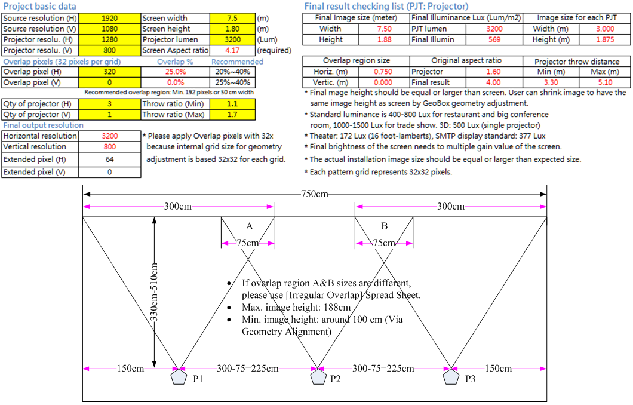

Calculation of the distance (D) between projector lens and screen
1. Projector throw ratio (T)
2. Single projector image width (W)
D(throw distance)=W*T
3. If the projector is designed with ZOOM function, user can install projector at center position
for more flexible image size adjustment.

