Immersive Setup data calculator
 | Immersive setup data calculator
1 | Tpye of immersive wall: 3 walls, side wall: single projector, Center wall: two projectors.
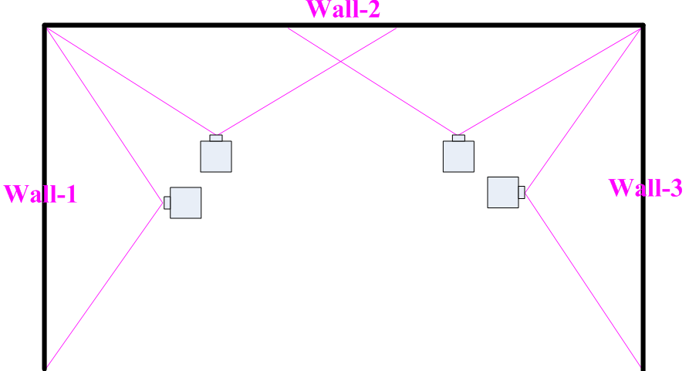

2 | Key-in Yellow column data:
 | a. Signal source resolution |  | b. Projector native resolution
 | c. Wall dimension (cm)
 | d. change P2/P3 overlap pixel to let image height reach required dimension.
 | e. Check projector image size H&V. The image H size should reach the size in side wall. If not,
 | increase overlap to let projector image size H ≥ side wall dimension and V ≥ required image height.
3 | After finish the above procedures, user will get [Overlap Setting] value for each projectors as indicated in red.
4 | All projectors are installed at the same throw distance with the same image size to get uniform brightness.
5 | For single projector, user needs to align image to match each wall size in both H&V dimensions.
6 | For center wall dual projectors, to align the projector with overlap number based on the overlap grid #.
 | Video wall setting: Zoom: H=4, V=1 for all projectors. PAN: P1: H=1, P2: H=2, P3: H=3, P4: H=4, V=1 for all.
 | Overlap Setting value: based on the calculation in RED.
7 | Below is the example:
 | a. Signal source resolution: 3840*1200 |  | c. Wall dimension (cm): W1=2.5m, W2= 6m, W3=2.5m
 | b. Projector resolution: 1920*1200 |  | d. Overlap grid No. = 20 (Overlap pixel= 640)
 | e. Each projector original size after installation: 3.6mx2.25m
 | f. Projector image size after alignment: P1=2.5mx2.25m, P2: 3.6mx2.25m, P3: 3.6mx2.25m, P4=3.6mx2.25m
 | g. Final Pixel pitch= 3.15mm, Ideal watching distance: 3.15m
 |  | H | V
 | Signal source | 3840 | 1200
 | Projector resolution | 1920 | 1200 | Each grid=32 pixels
 | P2/P3 overlap | Grid # | 20 | Overlap pixels | 640
 | Projector image size | Horizontal (cm) | 360 | Vertical (cm) | 225

 |  | Wall-1 | Wall-2 |  | Wall-3 | Total
 | Wall width (cm) | 250 | 600 |  | 360 | 1210
 | Cropping Pixel for each wall | 793 | 1904 |  | 1142 | 3840
 | Video Wall overlap setting value | Projector-1 | Projector-2 | Projector-3 | Projector-4 | 4
 | LH edge | 0 | 167 | 365 | 182
 | RH edge | -167 | -16 | -182 | 0
 | Pixel pitch (mm/Pixel) | 3.15 | Ideal watching distance (M) |  | 3.15
 |  | Projector-1 | Projector-2 | Projector-3 | Projector-4
RH Edge
LH Edge
LH Edge
 | Coordinate for each projector | 793 | 1936 | 1555 | 2698
 | Zoom split point | 960 | 1920 | 1920 | 2880
 | Source resolution (H) | 1904 | Overlap pixel (H) | 640 | Ratio
 | Source resolution (V) | 1200 | Qty of projector (H) | 2 | 0.5950
 | Projector resolution (H) | 1920 | Center wall | 600
 | Projector resolution (V) | 1200 | Screen height | 225

